Sheet1
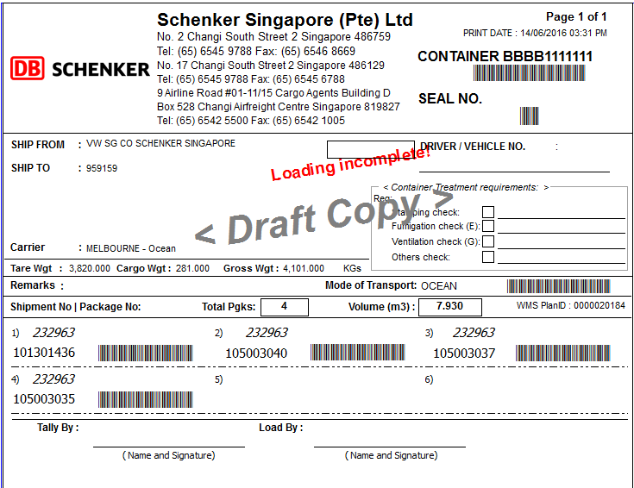
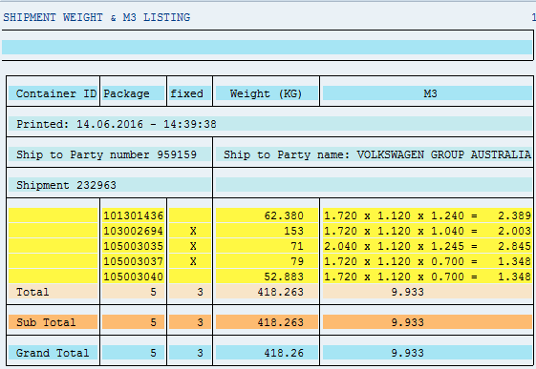

remarks: | packages without weighing upon uploading to WMS.

1 | 959159 | *103002694* | 232963 | 00.00.0000 | 2820 | 1720 | 1120 | 1040 | 153
2 | 959159 | *105003035* | 232963 | 00.00.0000 | 2828 | 2040 | 1120 | 1245 | 71
3 | 959159 | *101301436* | 232963 | 00.00.0000 | 2818 | 1720 | 1120 | 1240 | 62.38
4 | 959159 | *105003037* | 232963 | 00.00.0000 | 2814 | 1720 | 1120 | 700 | 79
5 | 959159 | *105003040* | 232963 | 00.00.0000 | 2814 | 1720 | 1120 | 700 | 52.883

Remarks: | Upload with imcompleted weighing.

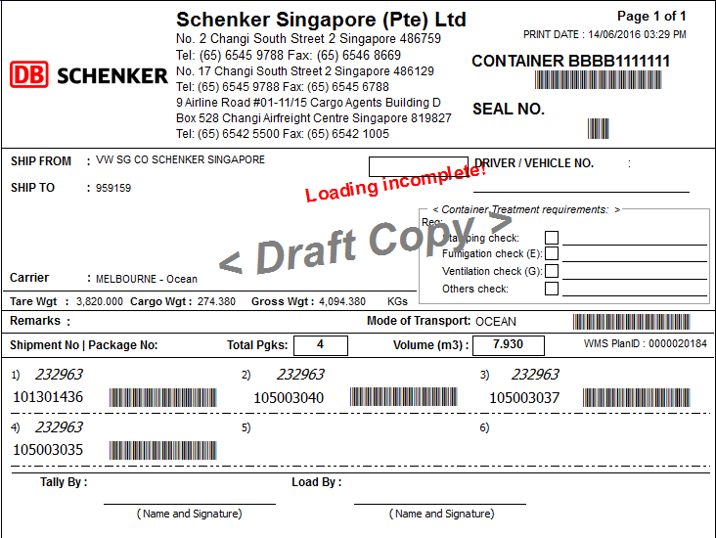

Remarks: | Reupload again once all packages completed weighing to get the exact total weight.

